Ep6 Shroud Assy 90x1
FORM:-First Piece Inspection & Last Piece Inspection
CELL :- EP6 Fan Motor Shroud assly |  |  |  |  | Visual Inspection | Model
 |  |  |  |  |  | Date
Sr. No. | Characterstics |  | Specification | Critical Paramteres |  | Condition
 |  |  |  |  |  | Measurement Method | Shift:- | Shift:- | Shift:- | Shift:- | Shift:- | Shift:- | Shift:-
1 | Fan Motor Assly | S201 GSL/DSL/W153/ALTROZ | 1 |  | 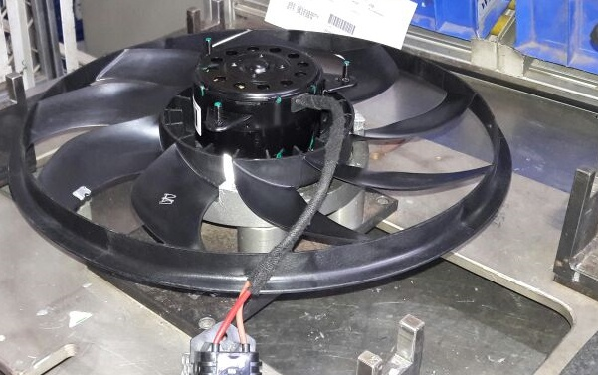 | Visual
2 | No. of Shroud | S201 GSL/DSL /W153/ALTROZ | 1
3 | Motor scanning | For All model | Ensure motor should be as per model (Ref. motor part no. Matrix) |  |  | Scanner
 | Fan should not touch to shroud | S201 GSL/DSL | Fan to Shroud Gap inspection by 2.8mm filler guage 3 part-Start of the shift 3 part-End of the shift |  |  | filler Guage
4 | Screw for FMS Assly | S201 GSL/DSL /W153/ALTROZ | 3 |  |  | Visual
5 | Torque for FMS Assly Screw | S201 GSL/DSL W153/ALTROZ | ( 2.2 To 3.0 ) Nm
6 | No. Of Resistor | S201 GSL/DSL /W153 | 1 |  | 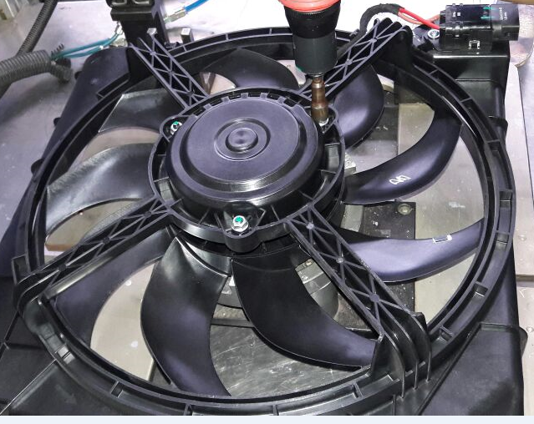
7 | Screw For Resistor | S201 GSL/DSL /W153/ALTROZ | 1 |  | 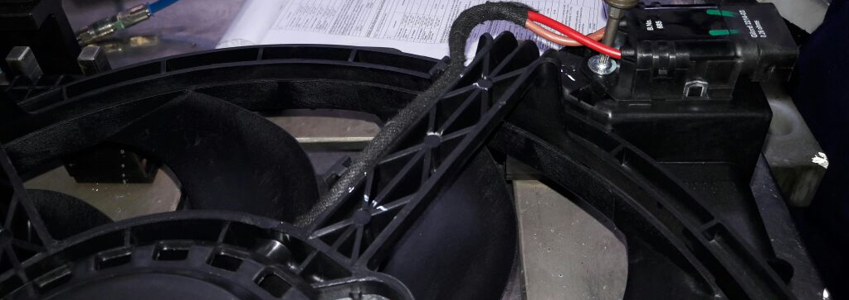
8 | Torque for resistor assly | S201 GSL/DSLGSL/DSL/W153/ALTROZ | ( 1.2 To 1.8) Nm
9 | Presence of Barcode | All Models | 1
A) Condition for First Piece Inspection :- 1] At Start of shift 2] End of shift or Model 3] Model &/or Set up change 4] Pokayoke Failure, corrected & production resumed 5] If poka yoke bypassed and production continued as per alternate poka yoke bypass document 6] More than 4 hour Planned shut down 7) During Abnormal Situations (7a-Emergency Alarm / 7b-Power Failure / 7c-Machine or Tool Breakdown - more than 45 mins / 7d-Inspection Guage or Instrument breakdown or fallen down) B) Reactivity Rule :- If any NC is found inform to CC/ Shift Incharge , Initiate actions for correction & After closure of NC treat the shift as a fresh shift , Start checking from the begining of the check points in the next column. C) Guideline for Supervisor's Approval: Supervisor need to do tick mark ( √ ) after verification of highlighted points. |  |  |  | Final Status
 |  |  |  | Checked By OE
 |  |  |  | Approved By CC

 |  |  |  | Time
Created By: |  | Uday Patil |  |  |  |  | Format /Rev No. |  |  |  |  | EP/F/ASSLY/FPA09-10
Approved By: |  | Gourav Jain |  |  |  |  | Date |  |  |  |  | 2022-05-05

